Spider Graph
Radar Chart

 |  | Today | 2 Years
1. Finance |  | 00 | 00
2. Enterprise Strategy |  | 00 | 00
3. Structure |  | 00 | 00
4. Culture |  | 00 | 00
5. Skills |  | 00 | 00
6. Compliance |  | 00 | 00
7. Governance & Controls |  | 00 | 00
8. Business Process |  | 00 | 00
9. Procurement |  | 00 | 00
10. Commercial |  | 00 | 00
11. Portfolio Mgnt |  | 00 | 00
12. Projects |  | 00 | 00
13. Operations (IT) Processes |  | 00 | 00
14. Management Tools |  | 00 | 00
15. Security |  | 00 | 00
16. Information Lifecycle Management |  | 00 | 00
17. DevOps |  | 00 | 00
18. PaaS |  | 00 | 00
19. IPaaS |  | 00 | 00
20. IT Architecture |  | 00 | 00
21. Applications |  | 00 | 00
22. SaaS |  | 00 | 00
23. Data |  | 00 | 00
24. IaaS |  | 00 | 00
25. STaaS |  | 00 | 00
26. Network |  | 00 | 00
27. AI |  | 00 | 00
28. IoT |  | 00 | 00
29. Mobility |  | 00 | 00
30. API's |  | 00 | 00
31. ConfigMgt |  | 00 | 00
Domain | Today | 2 Years
1. Finance | 0.0 | 0.0
2. Enterprise Strategy | 0.0 | 0.0
3. Structure | 0.0 | 0.0
4. Culture | 0.0 | 0.0
5. Skills | 0.0 | 0.0
6. Compliance | 0.0 | 0.0
7. Governance & Controls | 0.0 | 0.0
8. Business Process | 0.0 | 0.0
9. Procurement | 0.0 | 0.0
10. Commercial | 0.0 | 0.0
11. Portfolio Mgnt | 0.0 | 0.0
12. Projects | 0.0 | 0.0
13. Operations (IT) Processes | 0.0 | 0.0
14. Management Tools | 0.0 | 0.0
15. Security | 0.0 | 0.0
16. Information Lifecycle Management | 0.0 | 0.0
17. DevOps | 0.0 | 0.0
18. PaaS | 0.0 | 0.0
19. IPaaS | 0.0 | 0.0
20. IT Architecture | 0.0 | 0.0
21. Applications | 0.0 | 0.0
22. SaaS | 0.0 | 0.0
23. Data | 0.0 | 0.0
24. IaaS | 0.0 | 0.0
25. STaaS | 0.0 | 0.0
26. Network | 0.0 | 0.0
27. AI | 0.0 | 0.0
28. IoT | 0.0 | 0.0
29. Mobility | 0.0 | 0.0
30. API's | 0.0 | 0.0
31. ConfigMgt | 0.0 | 0.0

Common Barriers
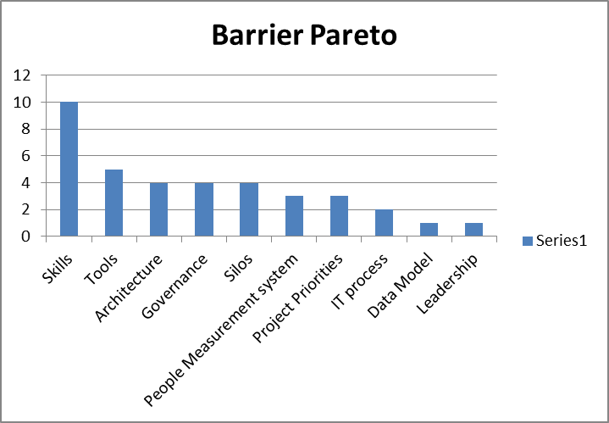
Barriers
 | Identify Barriers: | When planning a roadmap to enable Hybrid IT, the experienced analyst also considers which barriers they will have to overcome. There are a few common ones in this area, which should be considered per domain, during the analysis:
 | 1 | Do Cloud Skills Exist
 | 2 | Are there unique applications in the environment that inhibit cloud use
 | 3 | Is there a perception of "entitlement"
 | 4 | Are there Union driven Job Classifications
 | 5 | Does leadership provide a Mandate to move to Cloud
 | 6 | Is there a compensation scheme supporting Cloud Adoption

 | Consolidate Barriers: | The process of consolidating barriers into a Pareto chart requires the assessor to make a judgment call on the unstructured comments that are collected into categories. Here is a list of common categories of barriers. This is a starting point. You may find very unique categories in your enterprise when doing the assessment
 | 1 | Process design, ownership (accountability), or handoff (inter-process accountability) problem
 | 2 | Management or Measurement system problem
 | 3 | Policy, rule, value or belief conflict
 | 4 | Job description, skills or organizational problem
 | 5 | Information system: Application System is inadequate, or nonexistent
 | 6 | Information System: Data is not collected or available
 | 7 | Information system: Infrastructure is inadequate, or nonexistent
 | 8 | Information system: Service or Service Levels inadequate, or nonexistent
 | 9 | Physical layout or location problem
 | 10 | Service Delivery technology problem
 | 11 | Corporate culture issue
 | 12 | IT Governance
 | 13 | Lack of leadership problem

 | Resulting documentation: | Produce a Pareto chart of barriers and identify the most common barriers that will need to be eliminated.
 |  | For each of these, a solution/project will need to be included in the Hybrid IT transformation plan considering the leveraging of hierarchy, culture, structure, and business strategy.

